DAYTONA ANIMA PART LIST
 |  |  |  | S187 2018-2020 / BIGY 190 2018-2020 / SP3 190 2018-2020 | S187 2021-2023 / BIGY 190 2021-2023 / SP3 190 2021-2023 / SM 190 2023 / BIGY SM 190 2023 | BIGY 190 2019 / SP3 190 2019
 | AREA | Ref No. | 150FSM 4 SPEED | 190FSM 4 SPEED | 190FDX 4 SPEED | 190FS5 5 SPEED | 190FE e-start | Part No. | DESCRIPTION | QTY | PRICE
 | 01 HEAD / CYLINDER | 1 | ● | ● | ● | ● | ● | 86448 | BOLT, HEXAGON FLANGE M10x16 | 1 | $0.36
 | 01 HEAD / CYLINDER | 2 | ● | ● | ● | ● | ● | 85877 | BOLT, HEXAGON FLANGE M6x12 | 1 | $0.06
 | 01 HEAD / CYLINDER | 3 | ● | ● | ● | ● | ● | 86468 | BOLT, HEXAGON FLANGE M6x18 | 6 | $0.20
 | 01 HEAD / CYLINDER | 4 | ● | ● | ● | ● | ● | 86466 | BOLT, HEXAGON FLANGE M6x25 | 1 | $0.20
 | 01 HEAD / CYLINDER | 5 | ● | ● | ● | ● | ● | 86471 | BOLT, HEXAGON FLANGE M6x30 | 1 | $0.20
 | 01 HEAD / CYLINDER | 6 | ● | ● | ● | ● | ● | 83703 | BOLT, STUD M6x32 | 2 | $0.15
 | 01 HEAD / CYLINDER | 7 | ● | ● | ● | ● |  | 86367 | COVER, CYLINDER HEAD | 1 | $13.00
 | 01 HEAD / CYLINDER | 7 |  |  |  |  | ● | 88250 | COVER, CYLINDER HEAD, BLACK | 1 | $11.00
 | 01 HEAD / CYLINDER | 8 |  |  |  |  | ● | 89237 | CYLINDER | 1 | $95.00
 | 01 HEAD / CYLINDER | 8 | ● | ● | ● | ● |  | 86366 | CYLINDER | 1 | $95.00
 | 01 HEAD / CYLINDER | 9 | ● | ● | ● | ● | ● | 86436 | GASKET, BASE CYLINDER | 1 | $3.40
 | 01 HEAD / CYLINDER | 10 | ● | ● | ● | ● | ● | 86440 | GASKET, HEAD CYLINDER | 1 | $5.05
 | 01 HEAD / CYLINDER | 11 | ● | ● | ● | ● | ● | 86476 | GASKET, M10 | 1 | $0.25
 | 01 HEAD / CYLINDER | 12 | ● | ● | ● | ● | ● | 86405 | GASKET, MANIFOLD | 1 | $0.20
 | 01 HEAD / CYLINDER | 13 | ● | ● | ● | ● | ● | 86439 | GASKET, TANSIONER CAM CHAIN | 1 | $0.25
 | 01 HEAD / CYLINDER | 14 | ● | ● | ● | ● | ● | 86368 | HEAD, CYLINDER | 1 | $95.00
 | 01 HEAD / CYLINDER | 15 | ● | ● | ● | ● | ● | 86404 | MANIFOLD, INTAKE | 1 | $4.70
 | 01 HEAD / CYLINDER | 16 | ● | ● | ● | ● | ● | 86479 | O-RING | 1 | $0.20
 | 01 HEAD / CYLINDER | 17 | ● | ● | ● | ● | ● | 86434 | O-RING, COVER HEAD | 1 | $3.10
 | 01 HEAD / CYLINDER | 18 | ● | ● | ● | ● | ● | 83720 | PIN, DOWEL Φ10xΦ8.4x14 | 4 | $0.15
 | 01 HEAD / CYLINDER | 19 | ● | ● | ● | ● | ● | 83747 | PIN, DOWEL Φ8xΦ6.3x12 | 1 | $0.15
 | 01 HEAD / CYLINDER | 20 | ● | ● |  | ● | ● | 86429 | SPARK PLUG ER9EH-6N | 1 | $26.50
 | 01 HEAD / CYLINDER | 20 | ● | ● | ● | ● | ● | 87008 | SPARK PLUG ER9EH | 1 | $12.50
 | 01 HEAD / CYLINDER | 21 | ● | ● | ● | ● | ● | 86396 | TENSIONER, CAM CHAIN COMP | 1 | $6.20
 | 01 HEAD / CYLINDER | 22 | ● | ● | ● | ● | ● | 86456 | WASHER, Φ6.3xΦ12x1.5 | 1 | $0.17
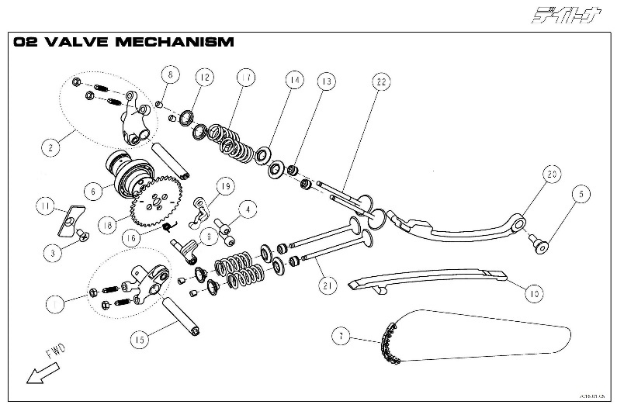 | 02 VALVE MECHANISM | 1 | ● | ● | ● | ● | ● | 86481 | ARM, ROCKER ROLLER EXHAUST COMP | 1 | $17.00
 | 02 VALVE MECHANISM | 2 | ● | ● | ● | ● | ● | 86393 | ARM, ROCKER ROLLER INTAKE COMP | 1 | $17.00
 | 02 VALVE MECHANISM | 3 | ● | ● | ● | ● | ● | 86460 | BOLT, COUNTERSINK M6x15 | 1 | $0.15
 | 02 VALVE MECHANISM | 4 | ● | ● | ● | ● | ● | 86883 | SCREW M6X16 | 2 | $0.20
 | 02 VALVE MECHANISM | 5 | ● | ● | ● | ● | ● | 86447 | BOLT, TENSIONER | 1 | $0.35
 | 02 VALVE MECHANISM | 6 |  |  |  |  | ● | 87347 | CAMSHAFT 00 ROLLER DECOMP ASM | 1 | $38.00
 | 02 VALVE MECHANISM | 6 |  | ● | ● | ● |  | 86878 | CAMSHAFT 240ﾟ ROLLER DECOMP ASM | 1 | $32.00
 | 02 VALVE MECHANISM | 6 | ● |  |  |  |  | 87163 | CAMSHAFT COMP. 150CC | 1 | $34.00
 | 02 VALVE MECHANISM | 7 | ● | ● | ● | ● | ● | 86391 | CHAIN, CAMSHAFT DRIVE | 1 | $7.50
 | 02 VALVE MECHANISM | 8 | ● | ● | ● | ● | ● | 86402 | COTTER, VALVE | 8 | $0.50
 | 02 VALVE MECHANISM | 9 | ● | ● | ● | ● | ● | 87622 | SHAFT W/WEIGHT,DECOMP. VER2 | 1 | $15.00
 | 02 VALVE MECHANISM | 10 | ● | ● | ● | ● | ● | 86395 | GUDE , CHAIN CAMSHAFT | 1 | $4.77
 | 02 VALVE MECHANISM | 11 | ● | ● | ● | ● | ● | 86389 | PLATE, STOPPER CAM | 1 | $0.77
 | 02 VALVE MECHANISM | 12 | ● | ● | ● | ● | ● | 86400 | RETAINER, SPRING VALVE | 4 | $0.70
 | 02 VALVE MECHANISM | 13 | ● | ● | ● | ● | ● | 86403 | SEAL, VALVE STEM Φ4.5 | 4 | $1.90
 | 02 VALVE MECHANISM | 14 | ● | ● | ● | ● | ● | 86401 | SEAT, SPRING VALVE | 4 | $0.60
 | 02 VALVE MECHANISM | 15 | ● | ● | ● | ● | ● | 86392 | SHAFT, ROCKER | 2 | $1.10
 | 02 VALVE MECHANISM | 16 | ● | ● | ● | ● | ● | 87621 | SPRING,RETURN DECOMP. VER2 | 1 | $0.30
 | 02 VALVE MECHANISM | 17 |  | ● | ● | ● | ● | 86624 | SPRING, VALVE | 4 | $4.40
 | 02 VALVE MECHANISM | 17 | ● |  |  |  |  | 87343 | SPRING, VALVE PLAN-G | 4 | $3.50
 | 02 VALVE MECHANISM | 18 | ● | ● | ● | ● | ● | 86879 | SPROCKET, CAMSHAFT DRIVEN | 1 | $3.70
 | 02 VALVE MECHANISM | 19 | ● | ● | ● | ● | ● | 87620 | PLATE,STOPPER DECOMP. VER2 | 1 | $0.80
 | 02 VALVE MECHANISM | 20 | ● | ● | ● | ● | ● | 86394 | TENSIONER, CAM CHAIN | 1 | $5.05
 | 02 VALVE MECHANISM | 21 | ● | ● | ● | ● | ● | 86623 | VALVE, EXHAUST Φ21 | 2 | $10.00
 | 02 VALVE MECHANISM | 22 | ● | ● | ● | ● | ● | 86397 | VALVE, INTAKE Φ24.5 | 2 | $4.60
 | 03 PISTON / CRANK SHAFT | 1 | ● | ● | ● | ● | ● | 86453 | CLIP, PIN PISTON | 2 | $0.25
 | 03 PISTON / CRANK SHAFT | 2 |  |  |  |  | ● | 88421 | CRANK SHAFT ASSY DT190FE | 1 | $55.00
 | 03 PISTON / CRANK SHAFT | 2 |  |  |  | ● |  | 89144 | CRANKSHAFT CONNECTING-ROD | 1 | $85.00
 | 03 PISTON / CRANK SHAFT | 2 |  | ● | ● |  |  | 86620 | CRANKSHAFT CONNECTING-ROD | 1 | $85.00
 | 03 PISTON / CRANK SHAFT | 2 | ● |  |  |  |  | 86381 | CRANKSHAFT CONNECTING-ROD | 1 | $79.00
 | 03 PISTON / CRANK SHAFT | 3 | ● | ● | ● | ● | ● | 86383 | GEAR, OIL PUMP DRIVE | 1 | $3.30
 | 03 PISTON / CRANK SHAFT | 4 | ● | ● | ● | ● | ● | 86415 | GEAR, PRIMARY DRIVE | 1 | $5.40
 | 03 PISTON / CRANK SHAFT | 5 | ● | ● | ● | ● | ● | 83768 | NUT, SMALL M14 | 1 | $0.60
 | 03 PISTON / CRANK SHAFT | 6 | ● | ● | ● | ● | ● | 86443 | OIL SEAL, Φ12xΦ20x5t | 1 | $1.25
 | 03 PISTON / CRANK SHAFT | 7 | ● | ● | ● | ● | ● | 86379 | PIN, PISTON Φ14 | 1 | $1.50
 | 03 PISTON / CRANK SHAFT | 8 |  | ● | ● | ● | ● | 86621 | PISTON DT190 | 1 | $12.50
 | 03 PISTON / CRANK SHAFT | 8 | ● |  |  |  |  | 86378 | PISTON DT150 | 1 | $11.80
 | 03 PISTON / CRANK SHAFT | 9 | ● | ● | ● | ● | ● | 86462 | RETAINING RING, RTWN22 | 1 | $0.25
 | 03 PISTON / CRANK SHAFT | 10 | ● | ● | ● | ● | ● | 86380 | RING SET, PISTON | 1 | $7.20
 | 03 PISTON / CRANK SHAFT | 11 | ● | ● | ● | ● | ● | 86411 | WASHER, SPRING | 1 | $0.70
 | 03 PISTON / CRANK SHAFT |  |  |  |  |  |  | 87353 | TIMING DRIVEN SPROCKET | 1 | $6.60
 | 04 CRANKCASE | 1 |  |  |  |  | ● | 86474 | BOLT, HEXAGON FLANGE M6x55 | 1 | $0.20
 | 04 CRANKCASE | 2 |  |  |  |  | ● | 83761 | BOLT, HEXAGON FLANGE M6x65 | 1 | $0.30
 | 04 CRANKCASE | 3 |  |  |  |  | ● | 86360 | BOLT, HEXAGON FLANGE M6x70 | 3 | $0.15
 | 04 CRANKCASE | 4 |  |  |  |  | ● | 88864 | BOLT, HEXAGON FLANGE M6x80 | 2 | $0.30
 | 04 CRANKCASE | 5 |  |  |  |  | ● | 86459 | BOLT, HEXAGON SOCKET M6x108 | 2 | $0.42
 | 04 CRANKCASE | 6 |  |  |  |  | ● | 83755 | BOLT, OIL DRAIN M12x15 | 1 | $0.35
 | 04 CRANKCASE | 7 |  |  |  |  | ● | 86444 | BOLT, STUD A | 2 | $1.35
 | 04 CRANKCASE | 8 |  |  |  |  | ● | 86445 | BOLT, STUD B | 2 | $1.25
 | 04 CRANKCASE | 9 |  |  |  |  | ● | 88847 | CRANKCASE,LH ANIMA FE | 1 | $29.00
 | 04 CRANKCASE | 10 |  |  |  |  | ● | 88848 | CRANKCASE,RH ANIMA FE | 1 | $39.00
 | 04 CRANKCASE | 11 |  |  |  |  | ● | 86438 | GASKET, CRANKCASE | 1 | $1.50
 | 04 CRANKCASE | 12 |  |  |  |  | ● | 86371 | HOSE, BREATHER | 1 | $1.76
 | 04 CRANKCASE | 13 |  |  |  |  | ● | 86451 | NUT FLANGE, M8 | 4 | $0.25
 | 04 CRANKCASE | 14 |  |  |  |  | ● | 83720 | PIN, DOWELΦ10xΦ8.4x14 | 2 | $0.15
 | 04 CRANKCASE | 15 |  |  |  |  | ● | 83751 | OIL FILTER SCREEN | 1 | $0.25
 | 04 CRANKCASE | 16 |  |  |  |  | ● | 83754 | WASHER, OIL DRAIN M12 | 1 | $0.15
 | 04 CRANKCASE | 17 |  |  |  |  | ● | 86457 | WASHER, GASKET M8 | 4 | $0.35
 | 04 CRANKCASE |  |  |  |  |  | ● | 88870 | BOLT, M6X12 | 1 | $0.30
 | 04 CRANKCASE |  |  |  |  |  | ● | 88871 | PLATE, START CLUTCH | 1 | $0.30
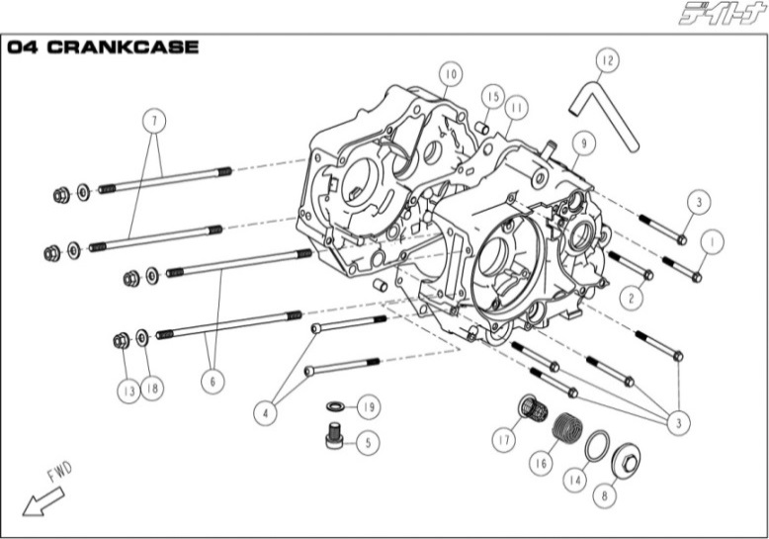 | 04 CRANKCASE | 1 | ● | ● | ● | ● |  | 86474 | BOLT, HEXAGON FLANGE M6x55 | 1 | $0.20
 | 04 CRANKCASE | 2 | ● | ● | ● | ● |  | 83761 | BOLT, HEXAGON FLANGE M6x65 | 1 | $0.30
 | 04 CRANKCASE | 3 | ● | ● | ● | ● |  | 86360 | BOLT, HEXAGON FLANGE M6x70 | 5 | $0.15
 | 04 CRANKCASE | 4 | ● | ● | ● | ● |  | 86459 | BOLT, HEXAGON SOCKET M6x108 | 2 | $0.42
 | 04 CRANKCASE | 5 | ● | ● | ● | ● |  | 83755 | BOLT, OIL DRAIN M12x15 | 1 | $0.35
 | 04 CRANKCASE | 6 | ● | ● | ● | ● |  | 86444 | BOLT, STUD A | 2 | $1.35
 | 04 CRANKCASE | 7 | ● | ● | ● | ● |  | 86445 | BOLT, STUD B | 2 | $1.25
 | 04 CRANKCASE | 8 | ● | ● | ● | ● |  | 86369 | COVER, STRAINER OIL | 1 | $0.67
 | 04 CRANKCASE | 9 |  |  |  | ● |  | 89143 | CRANK CASE, LH | 1 | $51.00
 | 04 CRANKCASE | 9 | ● | ● | ● |  |  | 86370 | CRANK CASE, LH | 1 | $51.00
 | 04 CRANKCASE | 10 |  |  |  | ● |  | 88848 | CRANK CASE, RH | 1 | $39.00
 | 04 CRANKCASE | 10 | ● | ● | ● |  |  | 86884 | CRANK CASE, RH | 1 | $39.00
 | 04 CRANKCASE | 11 | ● | ● | ● | ● |  | 86438 | GASKET, CRANKCASE | 1 | $1.50
 | 04 CRANKCASE | 12 | ● | ● | ● | ● |  | 86371 | HOSE, BREATHER | 1 | $1.76
 | 04 CRANKCASE | 13 | ● | ● | ● | ● |  | 86451 | NUT FLANGE, M8 | 4 | $0.25
 | 04 CRANKCASE | 14 | ● | ● | ● | ● |  | 86433 | O-RING, Φ30xΦ3 | 1 | $0.30
 | 04 CRANKCASE | 15 | ● | ● | ● | ● |  | 83720 | PIN, DOWELΦ10xΦ8.4x14 | 2 | $0.15
 | 04 CRANKCASE | 16 | ● | ● | ● | ● |  | 86385 | SPRING, STRAINER | 1 | $0.15
 | 04 CRANKCASE | 17 | ● | ● | ● | ● |  | 86387 | STRAINER, OIL | 1 | $0.60
 | 04 CRANKCASE | 18 | ● | ● | ● | ● |  | 86457 | WASHER, GASKET M8 | 4 | $0.35
 | 04 CRANKCASE | 19 | ● | ● | ● | ● |  | 83754 | WASHER, OIL DRAIN M12 | 1 | $0.15
 | 05 CLUTCH | 1 | ● | ● | ● | ● | ● | 83786 | BEARING, #6000 | 1 | $1.65
 | 05 CLUTCH | 2 | ● | ● | ● | ● | ● | 87619 | CLUTCH COMP, W/FORGED GEAR | 1 | $75.00
 | 05 CLUTCH | 3 | ● | ● | ● | ● | ● | 83768 | NUT, SMALL M14 | 1 | $0.60
 | 05 CLUTCH | 4 | ● | ● | ● | ● | ● | 83787 | PIN, LIFTER CLUTCH | 1 | $2.58
 | 05 CLUTCH | 5 | ● | ● | ● | ● | ● | 86410 | WASHER, SPRING Φ24xΦ14.2x1.2 | 1 | $0.15

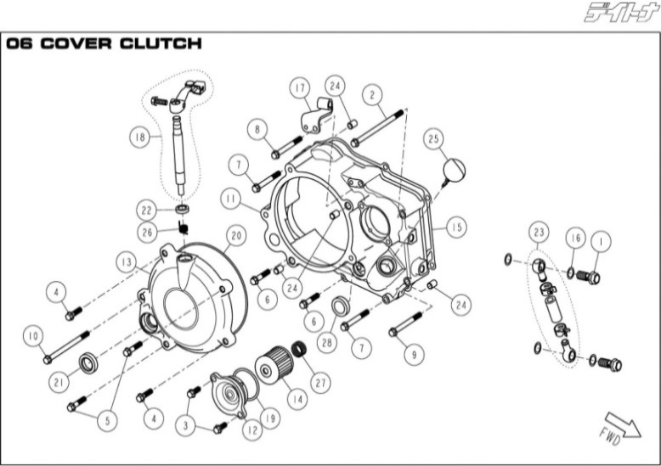 | 06 COVER CLUTCH | 1 | ● | ● | ● | ● | ● | 86446 | BOLT, BANJO M10x22.5 | 2 | $0.46
 | 06 COVER CLUTCH | 2 | ● | ● | ● | ● | ● | 88862 | BOLT, HEXAGON FLANGE M6x115 | 1 | $0.40
 | 06 COVER CLUTCH | 3 | ● | ● | ● | ● | ● | 86486 | BOLT, HEXAGON FLANGE M6x15 | 2 | $0.50
 | 06 COVER CLUTCH | 4 | ● | ● | ● | ● | ● | 86469 | BOLT, HEXAGON FLANGE M6x22 | 2 | $0.20
 | 06 COVER CLUTCH | 5 | ● | ● | ● | ● | ● | 86485 | BOLT, HEXAGON FLANGE M6x28 | 2 | $0.25
 | 06 COVER CLUTCH | 6 | ● | ● | ● | ● | ● | 86471 | BOLT, HEXAGON FLANGE M6x30 | 2 | $0.20
 | 06 COVER CLUTCH | 7 | ● | ● | ● | ● | ● | 86473 | BOLT, HEXAGON FLANGE M6x50 | 2 | $0.20
 | 06 COVER CLUTCH | 8 | ● | ● | ● | ● | ● | 86474 | BOLT, HEXAGON FLANGE M6x55 | 1 | $0.20
 | 06 COVER CLUTCH | 9 | ● | ● | ● | ● | ● | 83759 | BOLT, HEXAGON FLANGE M6x60 | 1 | $0.20
 | 06 COVER CLUTCH | 10 | ● | ● | ● | ● | ● | 86361 | BOLT, HEXAGON FLANGE M6x90 | 1 | $0.30
 | 06 COVER CLUTCH | 11 |  |  |  |  | ● | 88863 | COVER, CLUTCH | 1 | $24.00
 | 06 COVER CLUTCH | 11 | ● | ● | ● | ● |  | 86376 | COVER, CLUTCH | 1 | $32.00
 | 06 COVER CLUTCH | 12 | ● | ● | ● | ● | ● | 86374 | COVER, OIL FILTER | 1 | $2.80
 | 06 COVER CLUTCH | 13 | ● | ● | ● | ● | ● | 86377 | COVER, SMALL CLUTCH | 1 | $12.22
...
 | 06 COVER CLUTCH | 19 | ● | ● | ● | ●
 | 06 COVER CLUTCH | 20 | ● | ● | ● | ●
 | 06 COVER CLUTCH | 21 | ● | ● | ● | ●
 | 06 COVER CLUTCH | 22 | ● | ● | ● | ●
 | 06 COVER CLUTCH | 23 | ● | ● | ● | ●
 | 06 COVER CLUTCH | 24 | ● | ● | ● | ●
 | 06 COVER CLUTCH | 25 | ● | ● | ● | ●
 | 06 COVER CLUTCH | 26 | ● | ● | ● | ●
 | 06 COVER CLUTCH | 27 | ● | ● | ● | ●
 | 06 COVER CLUTCH | 28 | ● | ● | ● | ●
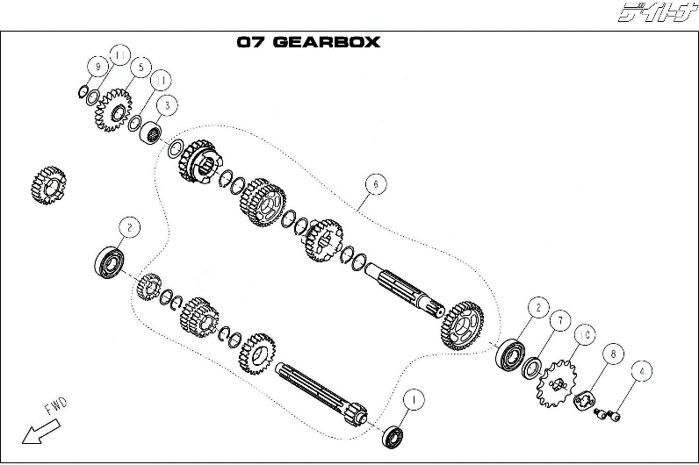 | 07 GEARBOX | 1 | ● | ● | ● | ●
 | 07 GEARBOX | 2 | ● | ● | ● | ●
 | 07 GEARBOX | 3 | ● | ● | ● | ●
 | 07 GEARBOX | 4 | ● | ● | ● | ●
 | 07 GEARBOX | 5 | ● | ● | ● | ●
 | 07 GEARBOX | 6 |  |  |  | ●
 | 7 GEARBOX | 6 | ● | ● | ●
 | 07 GEARBOX | 7 | ● | ● | ● | ●
 | 07 GEARBOX | 8 | ● | ● | ● | ●
 | 07 GEARBOX | 9 | ● | ● | ● | ●
 | 07 GEARBOX | 10 | ● | ● | ● | ●
...
 | 08 GEARBOX MECHANISM | 1 | ● | ● | ● | ●
 | 08 GEARBOX MECHANISM | 6 |  |  |  | ●
 | 08 GEARBOX MECHANISM | 6 | ● | ● | ●
 | 08 GEARBOX MECHANISM | 7 | ● | ● | ● | ●
 | 08 GEARBOX MECHANISM | 8 | ● | ● | ● | ●
 | 08 GEARBOX MECHANISM | 9 | ● | ● | ● | ●
 | 08 GEARBOX MECHANISM | 10 | ● | ● | ● | ●

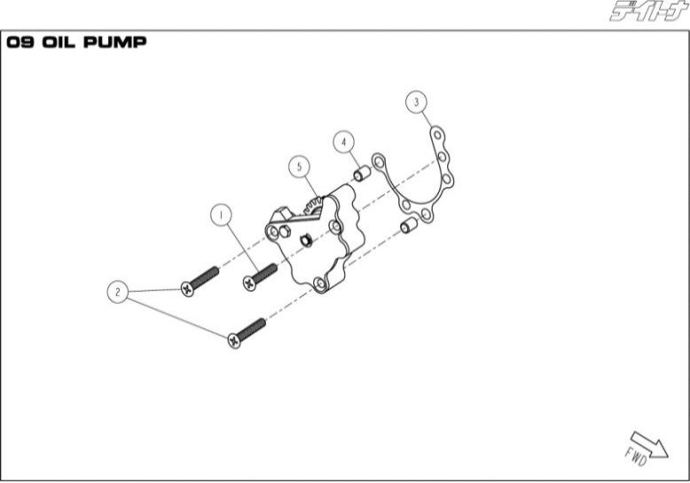 | 09 OIL PUMP | 1 | ● | ● | ● | ●
 | 09 OIL PUMP | 2 | ● | ● | ● | ●
 | 09 OIL PUMP | 3 | ● | ● | ● | ●
 | 09 OIL PUMP | 4 | ● | ● | ● | ●
 | 09 OIL PUMP | 5 | ● | ● | ● | ●

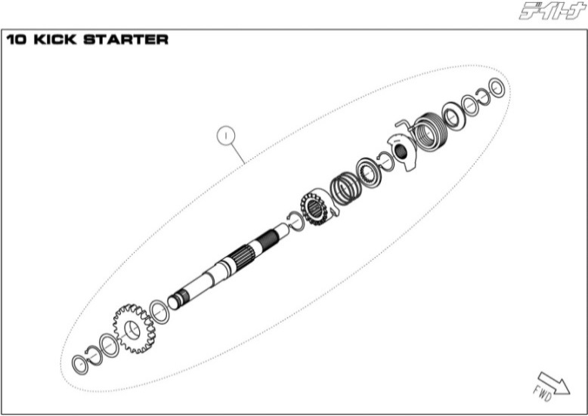 | 10 KICK STARTER | 1 |  |  |  | ●
 | 10 KICK STARTER | 1 | ● | ● | ●
...

